Methodology of RA
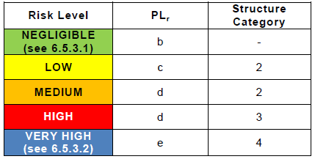
5 | Methodology of Risk Assessment

5.1 | Risk Score System

In order to identify, estimate and reduce the hazards present in the machine a Preliminary Hazard Analysis was performed using Risk Scoring System according to RIA TR R15.306-2016 Task-based Risk Assessment Methodology. The risk scoring criteria are summarized in the following table.

Factor |  | Rating | Criteria (Examples) – choose most likely Read criteria from the top for each factor

Injury Severity |  | Serious S3 | Normally non-reversible; likely will not return to the same job after recovery from incident: – fatality – limb amputation – long term disability – chronic illness If any of the above are applicable, the rating is SERIOUS

 |  | Moderate S2 | Normally reversible; likely will return to the same job after recovery from incident: – broken bones – severe laceration – short hospitalization – short term disability – lost time (multi-day) – fingertip amputation (not thumb) If any of the above are applicable, the rating is MODERATE

 |  | Minor S1 | First aid; no recovery required before returning to job: – bruising – small cuts – no loss time (multi-day) – does not require attention by a medical doctor If any of the above are applicable, the rating is MINOR

Exposure |  | Prevented E0 | – Exposure to hazard(s) is eliminated/ controlled/ limited by inherently safe design measures. – Use of guards prevents exposure or access to the hazard(s) (see Part 2, 5.10). If an interlocked guard is selected, the following bullet must also be met. – If functional safety is used as a risk reduction measure, the implemented functional safety performance (PL) meets or exceeds the required functional safety performance (PLr). If any of the above are applicable, the rating is PREVENTED

 |  | High E2 | – Frequent or multiple short duration – Situations which could lead to increases in the duration of a task, not to include teaching tasks If any of the above are applicable, the rating is HIGH

 |  | Low E1 | – Typically less than or once per day or shift – Occasional short durations If either of the above are applicable, the rating is LOW

Avoidance |  | Not possible A3 | – Insufficient clearance to move out of the way and safety-rated reduced speed control is not used – The robot system or cell layout causes the operator to be trapped, with the escape route toward the hazard – Safeguarding is not expected to offer protection from the process hazard (e.g. explosion or eruption hazard) If any of the above are applicable, the rating is NOT POSSIBLE

 |  | Not likely A2 | – insufficient clearance to move out of the way and safety-rated reduced speed control is used – obstructed path to move to safe area – hazard is moving faster than reduced speed (250 mm/sec) – inadequate warning/reaction time – the hazard is imperceptible If any of the above are applicable, the rating is NOT LIKELY

 |  | Likely A1 | – hazard is incapable of moving greater than reduced speed (250 mm/sec). – adequate warning/reaction time – positioned in a safe location away from the hazard If any of the above are applicable, the rating is LIKELY

5.2 | Risk Level Decision Matrix

Use the risk factors (severity, exposure and avoidance) to derive the risk level using Risk Level Decision Matrix. When using matrix, selection and use of the exposure category “E0 – PREVENTED” shall not be used in risk scoring unless risk reduction measures have been implemented or the exposure has been eliminated or prevented by inherently safe design measures. Safety-rated soft axis and space limiting and other safety-related features that could be implemented shall not be considered in the initial risk assessment because the risk assessment determines whether these safety functions are required to reduce risk(s).

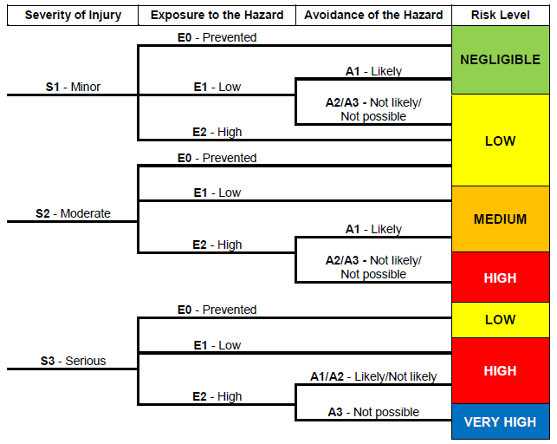

5.3 | Risk Reduction Measures

Risk reduction measures shall comply with risk level requirements as shown in following table. For all risks with a VERY HIGH, HIGH or MEDIUM initial risk rating, inherently safe design or safeguarding shall be used as a primary means to reduce risks. For risks with a LOW or NEGLIGIBLE initial risk rating, any combination of the risk reduction measures from the table may be used to reduce risk.

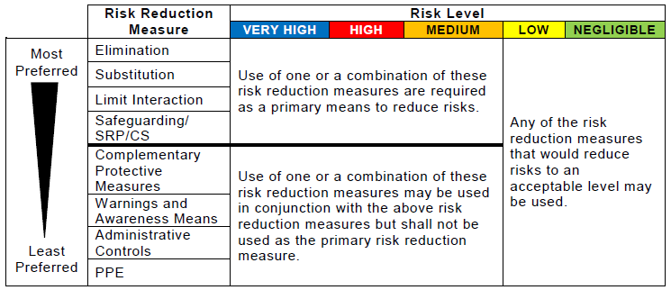

5.4 | Functional safety performance
Risks with a higher risk level require a higher performance level and structure rating than those risks with a lower risk level. The guidance for performance level and structure ratings as a function of the risk level is in the following table.

